Planilha1
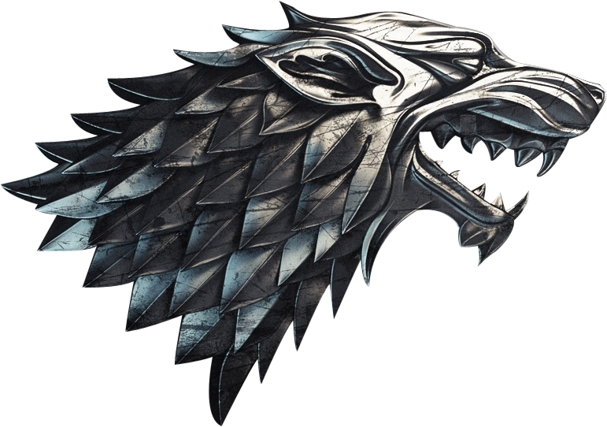
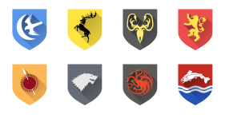

Episódios mais longos


Casas por região

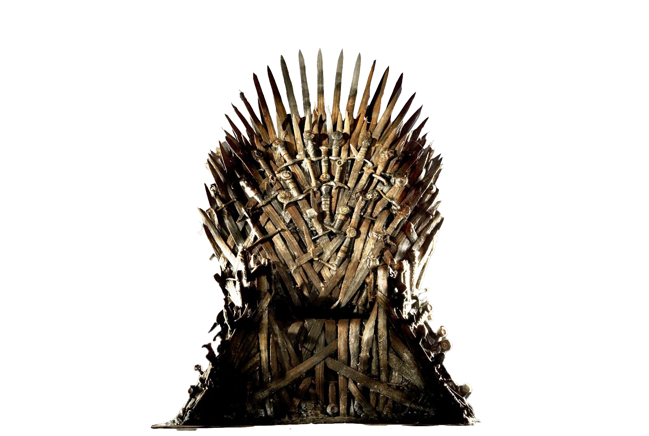

EPISÓDIOS MAIS BEM AVALIADOS


Personagens mais frequentes

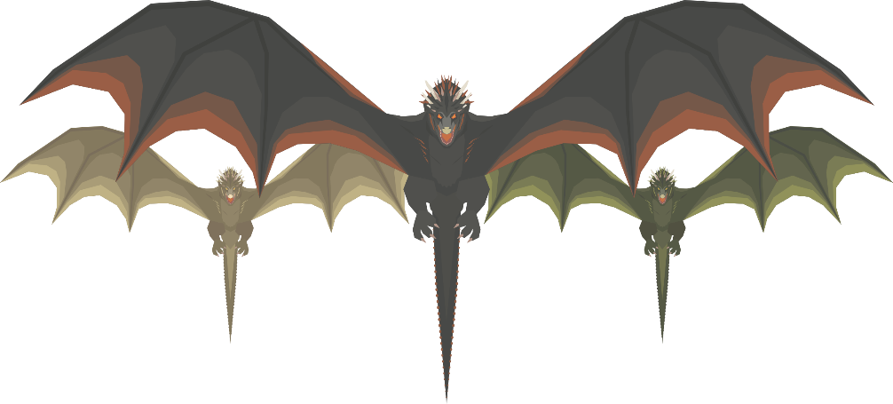

Coluna1 | Coluna2 | Coluna1 | Coluna2 | Coluna1 | Coluna2 | Coluna1 | Coluna2
The Iron Throne | 7358 | The Long Night | 82 | Reach | 69 | Tyrion Lannister | 67
The Bells | 3906 | The Dragon and the Wolf | 80 | Westerlands | 55 | Cersei Lannister | 62
The Long Night | 3749 | The Iron Throne | 80 | Riverlands | 54 | Daenerys Targaryen | 62
The Last of the Starks | 2277 | The Bells | 78 | North | 48 | Jon Snow | 62
Winterfell | 655 | The Last of the Starks | 78 | Crownlands | 38 | Sansa Stark | 59
A Knight of the Seven Kingdoms | 537 | Beyond the Wall | 70 | Iron Islands | 35 | Arya Stark | 59
Battle of the Bastards | 253 | The Winds of Winter | 68 | Vale of Arryn | 34 | Jaime Lannister | 55
The Winds of Winter | 182 | The Children | 65 | Stormlands | 34 | Jorah Mormont | 52
Beyond the Wall | 181 | Valar Morghulis | 64 | Dorne | 29 | Samwell Tarly | 48
The Dragon and the Wolf | 133 | The Queen's Justice | 63 | Unknown | 19 | Theon Greyjoy | 47

